Overview
Decision Support Workbook
A Navigator
for Digital Health Capability Models
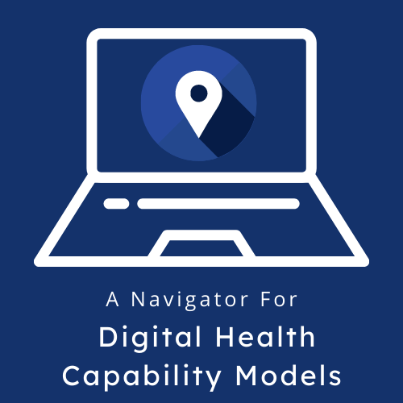

Navigator Hyperlink (access all components of the Navigator)
https://wiki.digitalsquare.io/index.php/Navigator_for_Digital_Health_Capability_Models

What is the purpose of this workbook?
This decision support workbook is a component of the Navigator for Digital Health Capability Models. The Navigator is a guide to maturity model-based tools for digital health systems. It complements the Digital Implementation Investment Guide (DIIG), which recommends the use of a maturity model-based tool as an early and important step in digital health strengthening. The Navigator builds on the value of individual tools by providing guidance on each individual tool, its levels or stages of maturity, and its measurement scales. It also instructs the user on how to use tools in combination. This workbook is intended to guide users through considerations in selecting and reviewing a maturity model-based tool (or tools) to best fit their goals and context.

Who should use this workbook?
This workbook is meant to be used for national-level planning regarding investment in digital health. This workbook can be used by such decision makers as ministries; health information system (HIS) or digital health units; governing bodies or authorities; funders of digital health initiatives; and implementors and nongovernmental organizations (NGOs) seeking to assess and improve systems for digital health.

How can the results be used?
Based on user input in the Tool Selection tab, the workbook will suggest one or more tools that best fit the selected goal(s) and additional criteria. The workbook also provides guidance on how to review past assessment results when planning for a new assessment. Users should refer to the Description of Tools tab for an overview of the tools included in the Navigator and a key to tool abbreviations. Individual tool tabs provide more information on the individual tools.

Take me to the Instructions tab!

This publication was made possible by the support of the American people through the United States Agency for International Development (USAID). The contents are the responsibility of PATH and do not necessarily reflect the views of USAID or the United States Government.

Description of Tools
(click icon to jump to tool tab)
Tool | Description
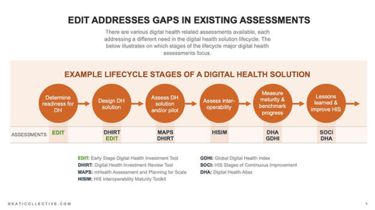 | The Early Stage Digital Health Investment Tool (EDIT) is designed to assess a country’s readiness to implement digital solutions. It is targeted to governments that want to better understand where they need to invest to be fully ready to successfully implement digital health, to funders who want to know how to best target their investments in a particular country, and to partners and implementers who want to align around a country’s needs. The tool was developed by the Kati Collective in a joint effort with The Bill & Melinda Gates Foundation, UNICEF, CDC, WHO, GAVI, PATH, Village Reach, and others.
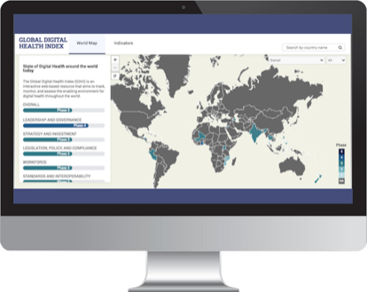 | The Global Digital Health Index (GDHI) is an interactive web-based resource that tracks, monitors, and evaluates the use of digital technology for health across countries. The GDHI is a multi-stakeholder initiative currently facilitated by the Global Development Incubator, with technical leadership provided by HealthEnabled. It is governed by a multi-agency steering committee.
 | The Health Information Systems (HIS) Interoperability Maturity Model (IMM) identifies the major components of HIS interoperability and lays out an organization’s growth pathway through these components. The toolkit is a joint product of MEASURE Evaluation and the Health Data Collaborative’s Digital Health and Interoperability (DH&I) working group.
 | The Information Systems for Health Maturity Assessment Toolkit (IS4H) describes the method, tool, and questions for assessing organizational capacity related to governance, data management, digital transformation, innovation, and knowledge management. The IS4H Toolkit was developed by the Pan American Health Association (PAHO).
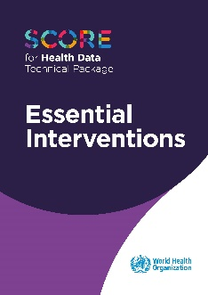 | The Survey, Count, Optimize, Review, Enable (SCORE) Essential Interventions is a technical package of five essential interventions with key elements to enable governments to strengthen country health data and information systems, and to track progress toward the health-related Sustainable Development Goals and national and subnational priorities. It recommends actions to address challenges in meeting HIS needs and provides a harmonized package of the most effective interventions needed to address critical data gaps. SCORE was developed by WHO.
 | The HIS Stages of Continuous Improvement (SOCI) Toolkit was collaboratively designed to help countries or organizations holistically assess, plan, and prioritize interventions and investments to strengthen an HIS. The toolkit was jointly developed by MEASURE Evaluation, the Centers for Disease Control and Prevention, and the DH&I working group.

Indi_mapping
 | Appendix: Indicator Mapping

Access the complete Navigator here: https://wiki.digitalsquare.io/index.php/Navigator_for_Digital_Health_Capability_Models
Mapping Overview
This Excel file is an appendix for the Navigator for Digital Health Capability Models and includes indicator mapping summary tables, a key to the codes used in the mapping, and a description of the methodology for the mapping of the indicators. The Navigator Decision Support Workbook (a separate workbook) offers guidance on how to consider and compare results from maturity model-based tools used previously in the same context through a summary of indicators mapped to similar indicators in other tools. The output tables are meant to be used to compare similar or related indicators from one tool to the next. This appendix is a compendium for the mapping of indicators across all six tools, and a reference of the coding scheme used to refer to each tool's individual indicators.

Methods
As an undertaking of the Navigator for Digital Health Capability Models, the Navigator technical team mapped indicators from across each of the six tools to understand when the tools overlapped in what they measure. The six maturity model-based tools included in the Navigator measure various capabilities in the form of an indicator (also called subcomponent/component/domain in the specific tools) across a scale. The Navigator uses the term "indicator" as a generic term to refer to each tool's most granular level of measurement. (See the individual tool codes for details.) Mapping was done in three steps: 1) Creating the overarching coding scheme and mapping framework: The Navigator technical team first reviewed each tool's measurement/maturity scales to identify the most granular level of capability measurement, or what is referred to in the Navigator as an indicator. The Information System for Health (IS4H) Tool; WHO's Survey, Count, Optimize, Review, and Enable (SCORE) Tool; and the Health Information Systems (HIS) Stages of Continuous Improvement (SOCI) Tool each have established coding schemes that were used in the Navigator mapping. Table 1 below shows each tool's architecture. 2) Create coding scheme for tools without indicator codes: To clearly map indicators from various tools and their respective coding schemes, we created a master code of the indicators. For IS4H, SCORE, and SOCI, established codes were used. The Early Stage Digital Investment Tool (EDIT), Global Digital Health Index (GDHI), and HIS Interoperability Maturity Model (IMM) do not have established coding schemes to identify individual indicators. For those tools, codes were assigned to the most granular indicator level in each tool. 3) Map individual tool indicators to one another: As a third and final step, the Navigator technical team completed a one-to-one comparison of the indicators across each tool. The team first considered one-to-one tool mappings that had previously be

Table 1. Individual tool architecture
Tool | Top architecture level | Intermediate architecture level | Lower architecture level
EDIT | Building Block | Sub-Category | Indicator
GDHI | Indicator Category | Indicator | Description
IMM | Domain | Subdomain | Subdomain Definition
IS4H | Strategic Goal | Component | Description
SCORE | Intervention | Key Element | Indicator
SOCI | Domain | HIS Component, Subcomponent | Subcomponent Definition

